Enhancement Change&CancelOrd
 | NOT APPLICBALE
Procedure
 | 1. Run the transaction code SE38.
 | The ABAP Editor: Initial Screen appears.
 | 2. Enter LEINMF0Q for Program and click Display.
 | 3. Click Enhance in the application toolbar.
 | 4. Select SAPLEINM from the popup.
 | 5. Click Edit Enhancement Operations Show Implicit Enhancement Options to display a line after the
 | lesen_beleg form. | Dowloaded SAP Note 2991801 and uploaded into S4D
 | 6. Right-click the line and select Enhancement Implementation Create .
 | 7. Click Code on the Choose Type of Enhancement popup to display Select or Create Enhancement
 | Implementation.
 | 8. Click Create Enhancement Implementation.
 | 232 PUBLIC
 | SAP Integration Suite, Managed Gateway for Spend Management and SAP Business Network
 | Configuration Guide
 | Configuring Supported Transactions
 | 9. Enter a name and description for the enhancement and press Enter.
 | 10. In the package popup, specify your Z or Y package, press Enter, and save the package to a transport request.
 | 11. Enter the following include: INCLUDE ARBCIG_ORDER_REQUEST_LEINMF0Q IF FOUND.
 | 12. Activate the enhancement and save it.
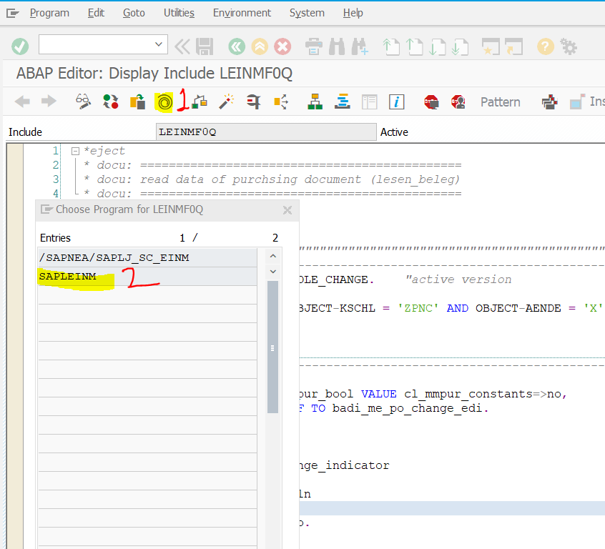

 | Right click on line 8 and do below

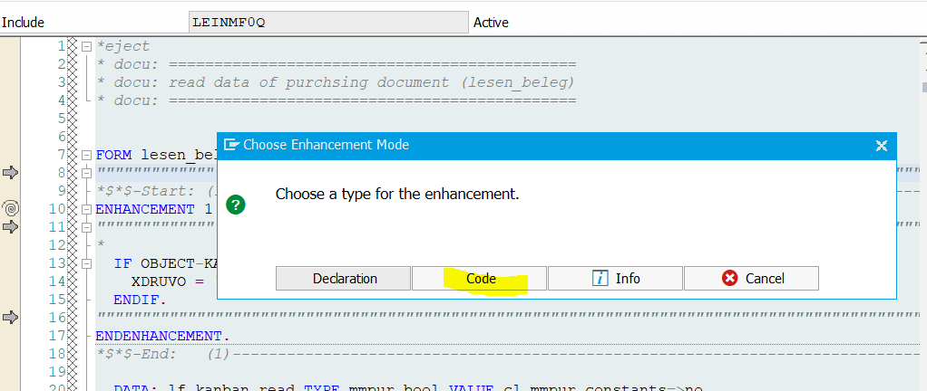

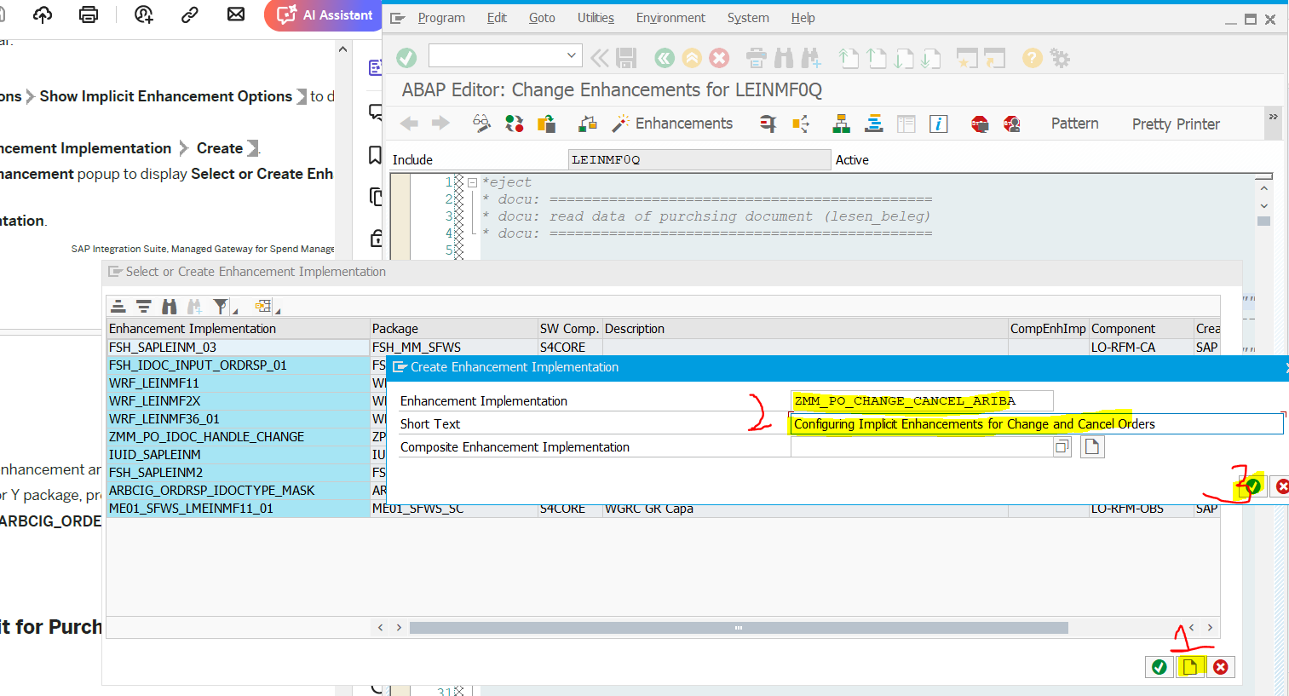

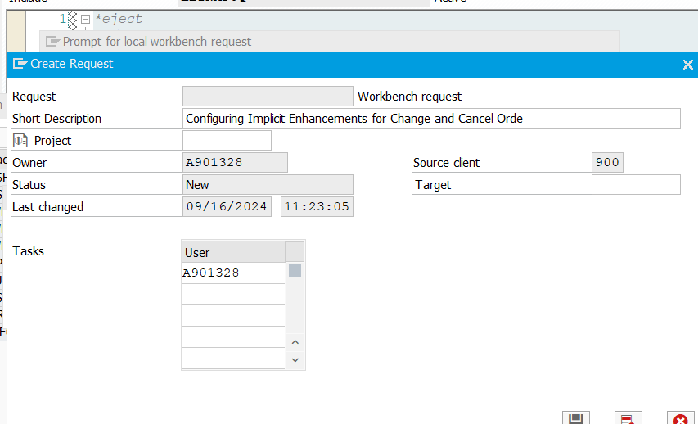
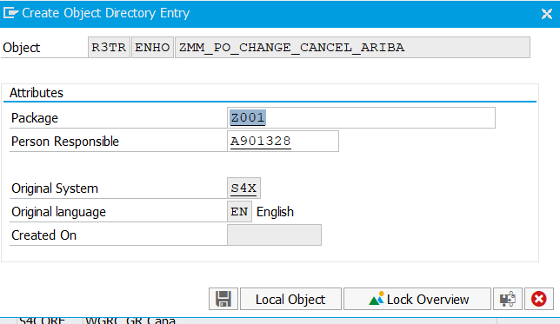

 | Remove * and add below

 | To activate Click Enhancements and select SAPLEINM from the pop-up and save

